10410
GREENFIELD GATEWAY
PROPERTY TAX RESERVE - 10410
FOR THE MONTH ENDED 07/31/2026

Origination Date | Description | Total Amount

2025-05-31 | Beginning Balance - Property Acquistion | $108,995.37
2025-06-01 | Mortgage Payment | $12,764.18
2025-07-01 | Mortgage Payment | $12,764.18
2025-07-31 | Balance Transfer to 10460 | $(6,785.15)
2025-08-04 | Mortgage Payment | $12,316.25
2025-09-01 | Mortgage Payment | $12,316.25
2025-10-03 | Mortgage Payment | $12,316.25
2025-11-03 | Mortgage Payment | $12,316.25
2025-11-30 | 07/25-12/25 PROPERTY TAX | $(71,531.07)
2025-12-03 | Mortgage Payment | $12,316.25
2026-01-05 | Mortgage Payment | $12,316.25
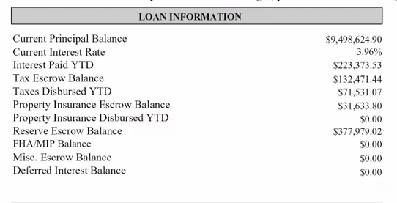
2026-02-03 | Mortgage Payment | $12,316.25
2026-03-03 | Mortgage Payment | $12,316.25
2026-04-03 | Mortgage Payment | $12,316.25
2026-05-04 | Mortgage Payment | $12,316.25
2026-05-31 | 01/26 - 06/26 PROPERTY TAX | $(71,531.07)
2026-06-03 | Mortgage Payment | $12,316.25
2026-07-06 | Mortgage Payment | $12,316.25

 | Account Total: | $132,471.44

 | 10410-000000 | $132,471.44
 | S/B ZERO | $-
 | Statement Amount | 132,471.44

 |  | $-

